Summary Map
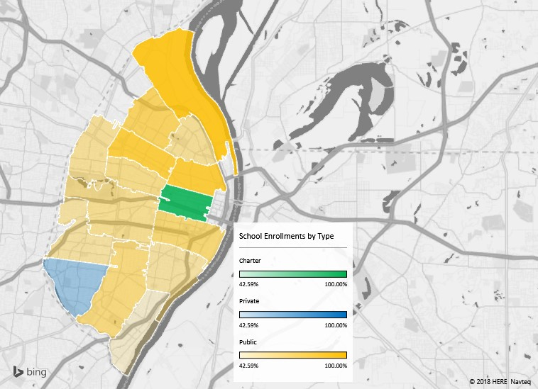
Sum of Size | Column Labels
Zip Code | Charter | Private | Public | Grand Total
63103 | 1520 |  |  | 1520
63104 | 1168 | 134 | 2801 | 4103
63106 | 432 |  | 4161 | 4593
63107 | 805 | 117 | 1174 | 2096
63108 | 61 | 803 | 1326 | 2190
63109 |  | 1016 | 904 | 1920
63110 | 621 | 1462 | 2870 | 4953
63111 | 438 | 531 | 719 | 1688
63112 |  | 407 | 504 | 911
63113 | 124 |  | 948 | 1072
63115 | 393 | 112 | 1580 | 2085
63116 | 550 | 300 | 1561 | 2411
63118 | 1451 | 193 | 1775 | 3419
63139 | 1846 | 399 | 2434 | 4679
63147 |  |  | 653 | 653
Grand Total | 9409 | 5474 | 23410 | 38293

Types of Schools in St. Louis
Row Labels | Count of Size
Private | 26
Charter | 29
Public | 67
Grand Total | 122

Zip Type Size Analysis
 | Charter | Private | Public
63147 |  |  | 653
63112 |  | 407 | 504
63113 | 124 |  | 948
63103 | 1520
63111 | 438 | 531 | 719
63109 |  | 1016 | 904
63115 | 393 | 112 | 1580
63107 | 805 | 117 | 1174
63108 | 61 | 803 | 1326
63116 | 550 | 300 | 1561
63118 | 1451 | 193 | 1775
63104 | 1168 | 134 | 2801
63106 | 432 |  | 4161
63139 | 1846 | 399 | 2434
63110 | 621 | 1462 | 2870
Sum of Size | Column Labels
Row Labels | Charter | Private | Public | Grand Total
63147 |  |  | 653 | 653
63112 |  | 407 | 504 | 911
63113 | 124 |  | 948 | 1072
63103 | 1520 |  |  | 1520
63111 | 438 | 531 | 719 | 1688
63109 |  | 1016 | 904 | 1920
63115 | 393 | 112 | 1580 | 2085
63107 | 805 | 117 | 1174 | 2096
63108 | 61 | 803 | 1326 | 2190
63116 | 550 | 300 | 1561 | 2411
63118 | 1451 | 193 | 1775 | 3419
63104 | 1168 | 134 | 2801 | 4103
63106 | 432 |  | 4161 | 4593
63139 | 1846 | 399 | 2434 | 4679
63110 | 621 | 1462 | 2870 | 4953
Grand Total | 9409 | 5474 | 23410 | 38293

Zip Charter Size Analysis
Type | Charter
Students Attending Charter Schools
Row Labels | Sum of Size
63108 | 61
63113 | 124
63115 | 393
63106 | 432
63111 | 438
63116 | 550
63110 | 621
63107 | 805
63104 | 1168
63118 | 1451
63103 | 1520
63139 | 1846
Grand Total | 9409

Zip Private Size Analysis
Type | Private
Students Attending Private Schools
Row Labels | Sum of Size
63115 | 112
63107 | 117
63104 | 134
63118 | 193
63116 | 300
63139 | 399
63112 | 407
63111 | 531
63108 | 803
63109 | 1016
63110 | 1462
Grand Total | 5474

Zip Public Size Analysis
Type | Public
Students Attending Public Schools
Row Labels | Sum of Size
63112 | 504
63147 | 653
63111 | 719
63109 | 904
63113 | 948
63107 | 1174
63108 | 1326
63116 | 1561
63115 | 1580
63118 | 1775
63139 | 2434
63104 | 2801
63110 | 2870
63106 | 4161
Grand Total | 23410

Zip Size and Ratio Analysis
Total Students by Zip with Student to Teacher Ratio
 | Charter | Private | Public | Average Student Teacher Ratio
63147 |  |  | 653 | 13.95
63112 |  | 407 | 504 | 12.65
63113 | 124 |  | 948 | 13.13
63103 | 1520 |  |  | 11.13
63111 | 438 | 531 | 719 | 13.25
63109 |  | 1016 | 904 | 13.41
63115 | 393 | 112 | 1580 | 13.12
63107 | 805 | 117 | 1174 | 12.15
63108 | 61 | 803 | 1326 | 11.47
63116 | 550 | 300 | 1561 | 14.00
63118 | 1451 | 193 | 1775 | 14.77
63104 | 1168 | 134 | 2801 | 12.07
63106 | 432 |  | 4161 | 13.29
63139 | 1846 | 399 | 2434 | 13.21
63110 | 621 | 1462 | 2870 | 12.75
 |  |  |  |  | Zip Code | Charter | Private | Public | Total | Average Student Teacher Ratio
 |  |  |  |  | 63147 |  |  | 653 | 653 | 13.95
Sum of Size | Column Labels |  |  |  | 63112 |  | 407 | 504 | 911 | 12.65
Row Labels | Charter | Private | Public | Grand Total | 63113 | 124 |  | 948 | 1072 | 13.13
63147 |  |  | 653 | 653 | 63103 | 1520 |  |  | 1520 | 11.13
63112 |  | 407 | 504 | 911 | 63111 | 438 | 531 | 719 | 1688 | 13.25
63113 | 124 |  | 948 | 1072 | 63109 |  | 1016 | 904 | 1920 | 13.41
63103 | 1520 |  |  | 1520 | 63115 | 393 | 112 | 1580 | 2085 | 13.12
63111 | 438 | 531 | 719 | 1688 | 63107 | 805 | 117 | 1174 | 2096 | 12.15
63109 |  | 1016 | 904 | 1920 | 63108 | 61 | 803 | 1326 | 2190 | 11.47
63115 | 393 | 112 | 1580 | 2085 | 63116 | 550 | 300 | 1561 | 2411 | 14.00
63107 | 805 | 117 | 1174 | 2096 | 63118 | 1451 | 193 | 1775 | 3419 | 14.77
63108 | 61 | 803 | 1326 | 2190 | 63104 | 1168 | 134 | 2801 | 4103 | 12.07
63116 | 550 | 300 | 1561 | 2411 | 63106 | 432 |  | 4161 | 4593 | 13.29
63118 | 1451 | 193 | 1775 | 3419 | 63139 | 1846 | 399 | 2434 | 4679 | 13.21
63104 | 1168 | 134 | 2801 | 4103 | 63110 | 621 | 1462 | 2870 | 4953 | 12.75
63106 | 432 |  | 4161 | 4593
63139 | 1846 | 399 | 2434 | 4679
63110 | 621 | 1462 | 2870 | 4953
Grand Total | 9409 | 5474 | 23410 | 38293

Average of Student_Teacher_Ratio | Column Labels
Row Labels | Charter | Private | Public | Grand Total
63103 | 11 |  |  | 11
63104 | 12 | 6 | 14 | 12
63106 | 12 |  | 13 | 13
63107 | 12 | 10 | 13 | 12
63108 | 15 | 9 | 15 | 11
63109 |  | 14 | 13 | 13
63110 | 15 | 11 | 13 | 13
63111 | 14 | 14 | 12 | 13
63112 |  | 12 | 13 | 13
63113 | 9 |  | 15 | 13
63115 | 13 | 10 | 14 | 13
63116 | 14 | 14 | 14 | 14
63118 | 15 | 17 | 14 | 15
63139 | 12 | 12 | 15 | 13
63147 |  |  | 14 | 14
Grand Total | 13 | 11 | 14 | 13

Ratios Cont'd
Average Student to Teacher Ratios
Row Labels | Total Students | Avg Student Teacher Ratio
Charter | 9,409 | 13
Private | 5,474 | 11
Public | 23,410 | 14
Grand Total | 38,293 | 13

